E54_hpwh
Nestle Cagayan de Oro Factory | Auto-compactor - Bolt Adjustment of loadcell 1 |  |  |  |  |  |  |  | CDOF-CP-F-XX-XXX
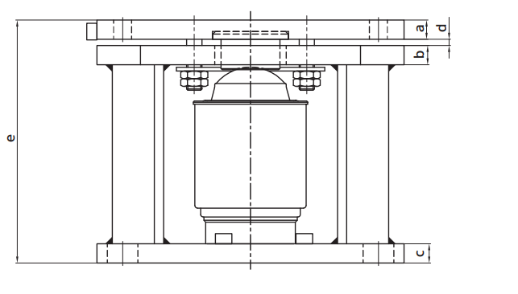 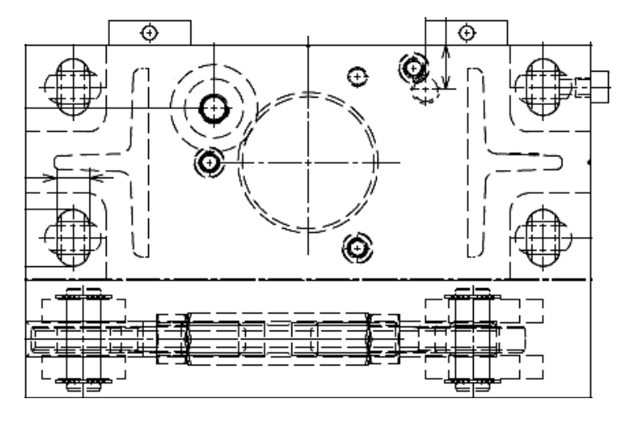
1
Lift frame assembly to lift top plate

2
Dismount Loadcell & perform adjustment

Verify and measure adjusted bolt distance
3

Requirement | 1 | 2 | 3 | 4 | 5 | 6 | 7 | 8 | 9 | REMARKS
Lift frame assembly
Dismount Loadcell & perform adjustment
Verify and measure adjusted bolt distance

NOTES:
Performed By: |  |  | Assessed and Validated By: |  |  |  |  | Noted By:

COSTPLUS Representative |  |  | TBMC Site Engineer |  |  |  |  | NPI Project Engineer

